Start Here >> Instructions
This Google My Business audit was built by Evanced Information Systems, LLC & BuildMoreDecks.com. We provide Internet Marketing services to help you grow your business online.

Step 1 - What is Google My Business?
Watch this video if you don't know what Google My Business is.

Step 2 - How to use this audit
Watch this video to see how to use the audit

Step 3 - Perform your audit
Click here to add your company keywords
Click here to visit the Google My Business tab, login to your Google My Business page, and score each row.

Step 4 - Check out your score!
Click here to checkout your score

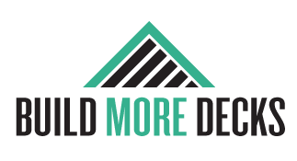
Helpful Links
Google My Business Help
 | Click the logos to schedule your appointment


Copyright 2020 Evanced Information Systems, LLC

Dashboard
Google My Business
Profile Completeness | 0
Profile Accuracy | 0
Relevant Category | 0
Keywords Included in Description | 0
Photos have been uploaded | 0
Client Reviews | 0
Client Review Responses | 0
Google Posts | 0
Google Videos | 0
Messaging Turned On | 0

Score
0%

